1. Title Page
[Instacart Basket]

Project Name: Instacart Basket
Date: Oct 20, 2021
Analyst Name: Rajiv Jani

Contents:
Population Flow
Consistency checks
Wrangling steps
Column derivations
Visualizations
Recommendations

2. Population Flow
Population flow

Exclusion flag
Condition: max_order <
Obervations to be removed:
Final total count of order_products_all:

Orders_products_combined
Orders_products_merged
Orders_products_all

Total:
Total:
Total:

1.) The grey boxes in the first row of the population flow represent the original data sets as they were when you downloaded them. In the Total fields you need to add the count of the rows when you imported the data set into Jupyter.
2.) The second row of boxes (coloured) represents the data sets after you manipulated them, e.g., removed missing values and duplicates. In the Total fields you need to add the count of the rows after conducting these operations. This offers a visual oveview of how the data flows throughout the data consistency checks.
3.) The third row, where also the arrows are coloured, represents the merges you performed between the datasets. In the Total fields you need to add the count of the rows in the merged datasets, so that you end up with the final dataset (in the red box). Keep in mind the final dataset should be without exclusions (based on the exclusion flag).

3. Consistency checks
 |  |  |  | Title page
Consistency checks

Dataset | Missing values | Missing values treatment | Duplicates
orders | Missing values in days_since_prior_order column | No action taken as these represent customers who have ordered for the first time with no past order record | N/A
products | 16 missing values in product_name column | 16 rows with missing values removed | 5 duplicate value rows were removed (product_id 462,18458,26808,35306,35491
orders_products_prior
customers

4. Wrangling steps
 |  |  |  | Title page
Wrangling steps

Columns dropped | Columns renamed | Columns' type changed | Comment/Reason
In the prices column in the products dataframe, dropped 2 rows with price of 14900 and 99999

5. Column derivations
 |  |  |  | Title page

Column derivations and aggregations

In this tab you should add tables below that the frequences of flags/label variables that you produced after deriving them. NB: don't do this for continuous variables, only for flags.
Dataset | New column | Column/s it was derived from | Conditions

6. Visualizations
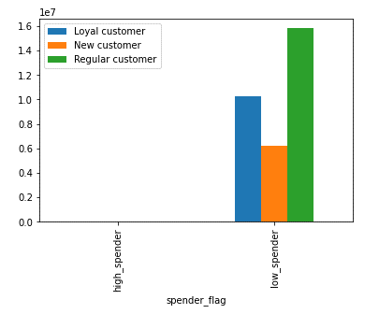
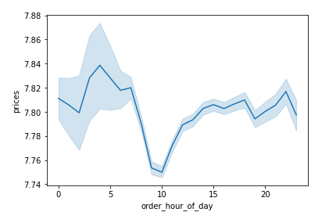
Visualisations

Departments in terms of average order volume |  | Price range of products by instacart |  | Busiest hours as per order volume

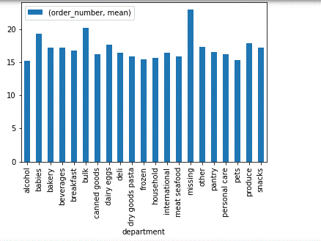
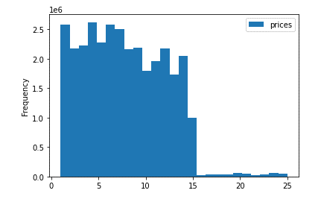
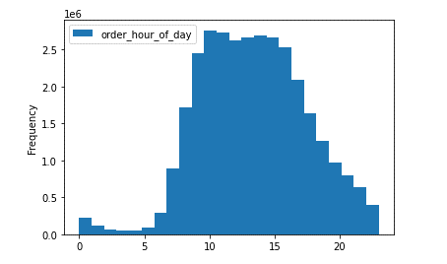

 | Busiest days of the week for instacart | How often customers place orders | Proportion of loyal vs regular vs new customers
 | 0=Saturday and 6=Friday | Between 0 days to 30 days since last order was placed | No. of orders placed- >40=loyal, <10=new, remaining=regular
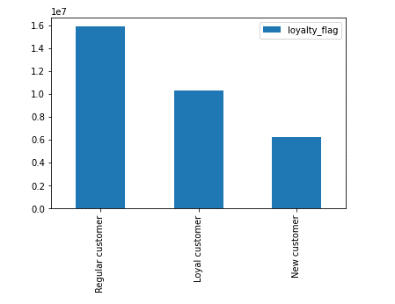
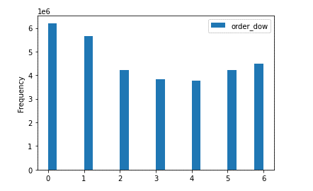
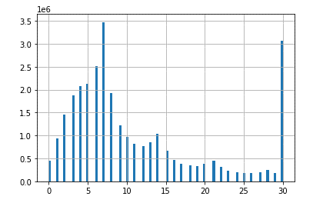

Customer loyalty vs prices and order quantity |  | Comparing spending pattern vs loyalty
Significant difference in order quantity of loyal customers |  | New and regular customers are around 4 times
 |  | higher spender than loyal customers |  | When are high priced items bought?
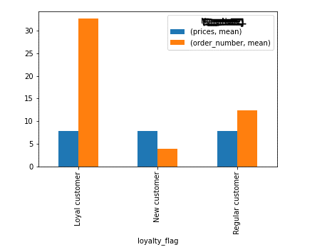
 |  |  |  | Late night or early morning

7. Recommendations
Recommendations

Question |  | Answer
Which are top 3 departments in terms of order volume? | Bulk items, babies and missing items(data issue-please check with data source what do these missing items are)
Instacart app is loaded most during which hours? | 8 am to 6 pm are the busiest hours when most orders are placed and app will be loaded most during this time
Which are the busiest days so we can have optimum staffing? | Saturday and Sunday are the busiest days of the week
How often repeat orders are placed? | A large number of repeat orders are placed weekly. There is also a large number of orders that are placed 30 days older. Instacart can connect with them to understand why new orders are not placed. Also, opportunity to launch a loyalty program for customers who order every week
What portion of customers are loyal and regular | A large number of customers are loyal and regular and instacart need to keep them engaged with new products and ensure that they feel appreciated for their business
Is there a large difference in orders between loyal and other customers | Yes, however loyal customers are buying relatively low price items more. New and regular customers are more likely to buy higher price items than loyal customers and hence any sales promitions should be directed accordingly
When are high priced items sold during the day so we can maintain inventory | Between late night to early morning

